Sheet1
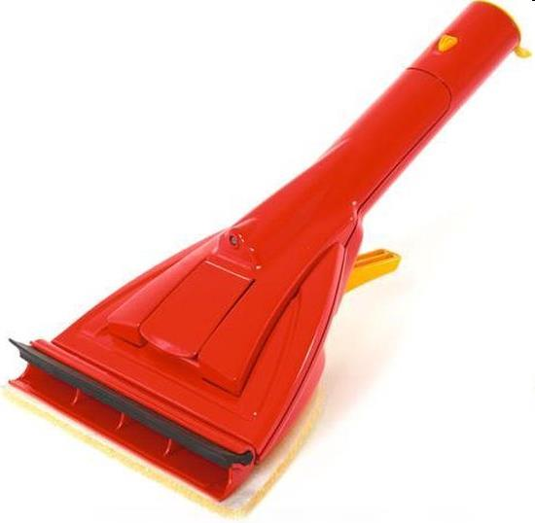
Picture | Item code | Description | Extra information | Restriction | Stock | Sales price EXW | Retail price | Barcode | Quantity PU | Quantity pallet | Pallet | Origin | Customs code | Item weight | Languages on package | Group
 | 21197 | Wolf Garten, Water Car Cleaner 3913000 | 007747.01 |  | 507 | 2.39 | 12.99 | 4009269391306 | 10 | 160 | Europallet 120x80 |  | 3924900090 | 301 | eng du dk nl | Wolf Garten

